Wireframe
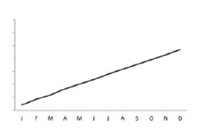
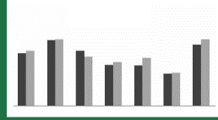
For POV Selection
KPI 1 Overview
KPI 2 Overview
KPI 3 Overview

Scrolling table - details of KPI
 |  |  |  |  |  |  |  |  |  | Actual | 99 / 142 / 198
 |  |  |  |  |  |  |  |  |  | Budget | 119 / 187 / 226
 |  |  |  |  |  |  |  |  |  | PY | 210 / 233 / 246

KPI 1
KPI 2
KPI 3

 | Actual | % PY | % B | Actual | % PY | % B | Actual | % PY | % B
App 1
App 2
App 3
App 4
App 5
App 6
App 7
App 8
App 9
App 10

Bar chart Top / Bottom analysis
Scrolling Line chart - EBIT analysis

